Cover Page
SPECIFICATIONS AND BILL OF QUANTITIES WITH ENGINEERING ESTIMATE

PROJECT:
GAMBELA PRIMARY HOSPITAL

LOCATION:
GAMBELA, ETHIOPIA
OWNER:
DOCTORS WITH AFRICA- CUAMM

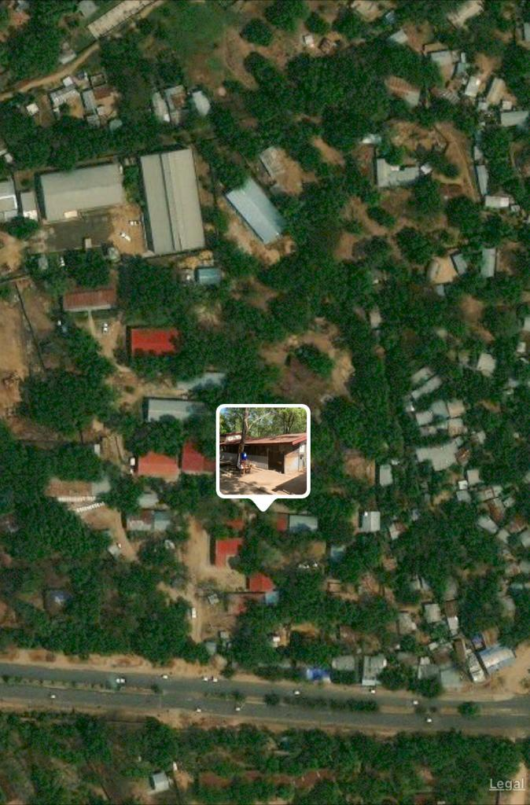

Prepared by:- Solomon Tesfay
Aug-23

