Cover Page
SPECIFICATIONS AND BILL OF QUANTITIES WITH ENGINEERING ESTIMATE

PROJECT:
CLASSROOM BLOCK FOR WOLISSO NURSING

LOCATION:
WOLISSO, ETHIOPIA
OWNER:
DOCTORS WITH AFRICA- CUAMM
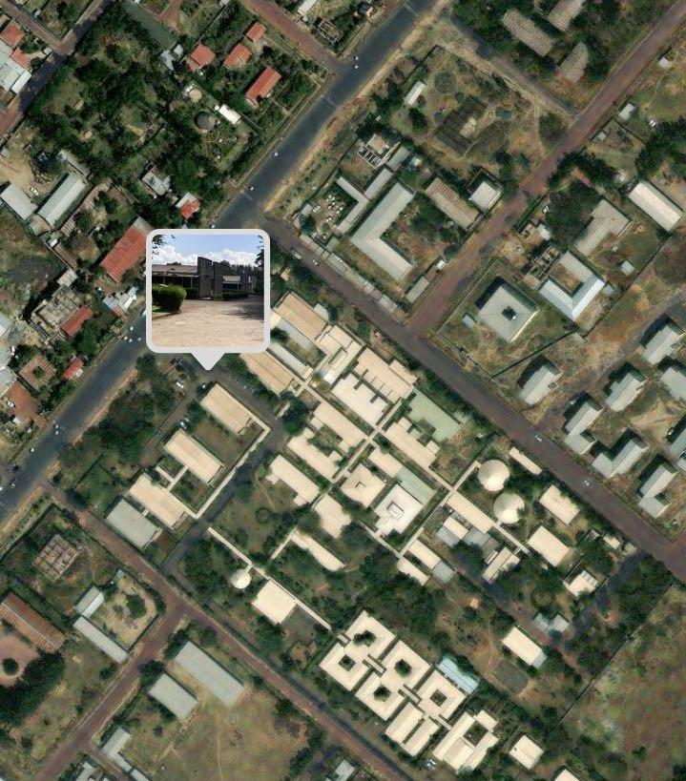

Prepared by:- Solomon Tesfay
Apr-23

